Structure Pointer
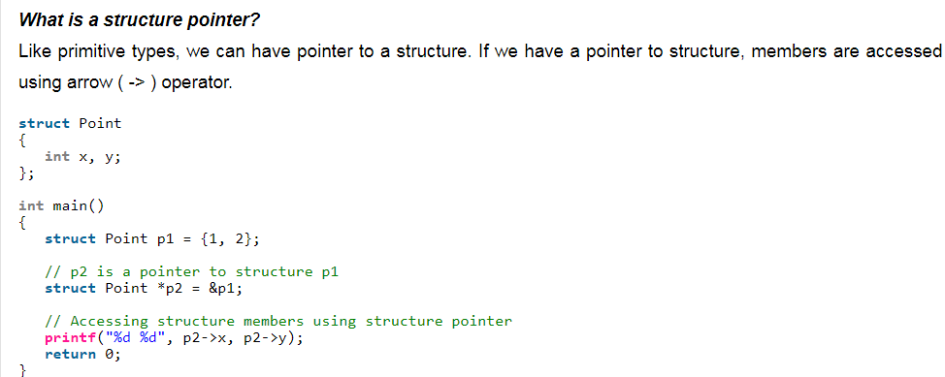
struct Point
{
int x, y;
};
int main()
{
struct Point p1 = {1, 2};
// p2 is a pointer to structure p1
struct Point *p2 = &p1;
// Accessing structure members using structure pointer
printf("%d %d", p2->x, p2->y);
return 0;
}
Output:
1 2

Typedef Structure
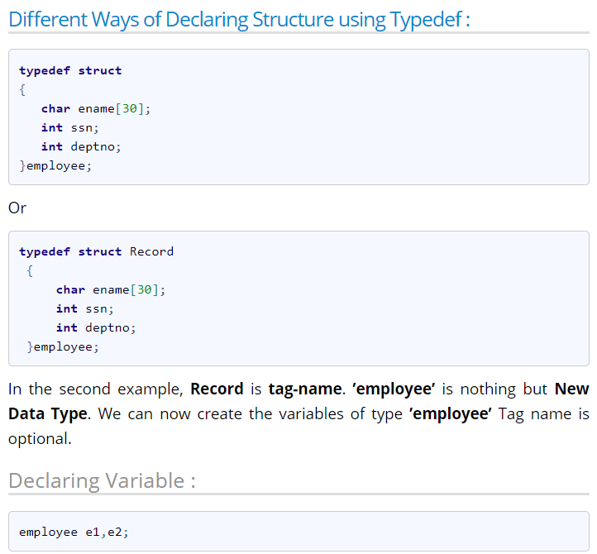

#include<stdio.h>
typedef struct b2 {
char bname[30];
int ssn;
int pages;
}book;
book b1 = {"Let Us C",1000,90};
int main()
{
printf("\nName of Book : %s",b1.bname);
printf("\nSSN of Book : %d",b1.ssn);
printf("\nPages in Book : %d",b1.pages);
return(0);
}
Output :
Name of Book : Let Us C
SSN of Book : 1000
Pages in Book : 90

Nested structure
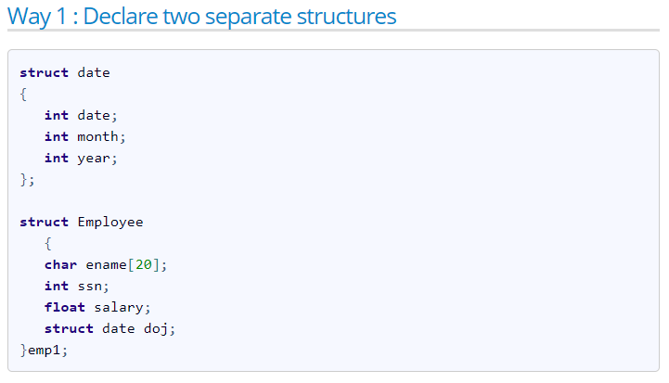
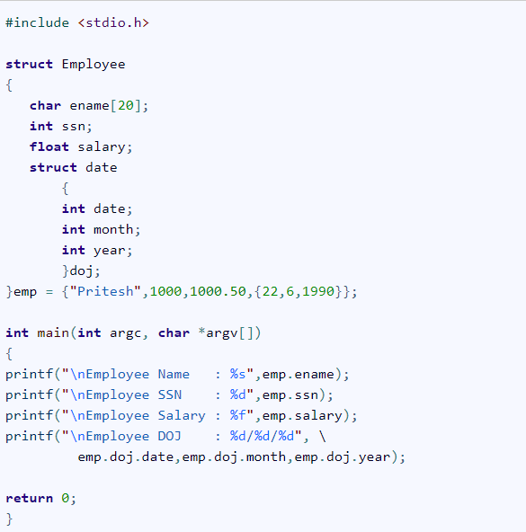
#include <stdio.h>
struct Employee
{
char ename[20];
int ssn;
float salary;
struct date
{
int date;
int month;
int year;
}doj;
}emp = {"Pritesh",1000,1000.50,{22,6,1990}};
int main(int argc, char *argv[])
{
printf("\nEmployee Name : %s",emp.ename);
printf("\nEmployee SSN : %d",emp.ssn);
printf("\nEmployee Salary : %f",emp.salary);
printf("\nEmployee DOJ : %d/%d/%d", \
emp.doj.date,emp.doj.month,emp.doj.year);
return 0;
}

